Dash Board
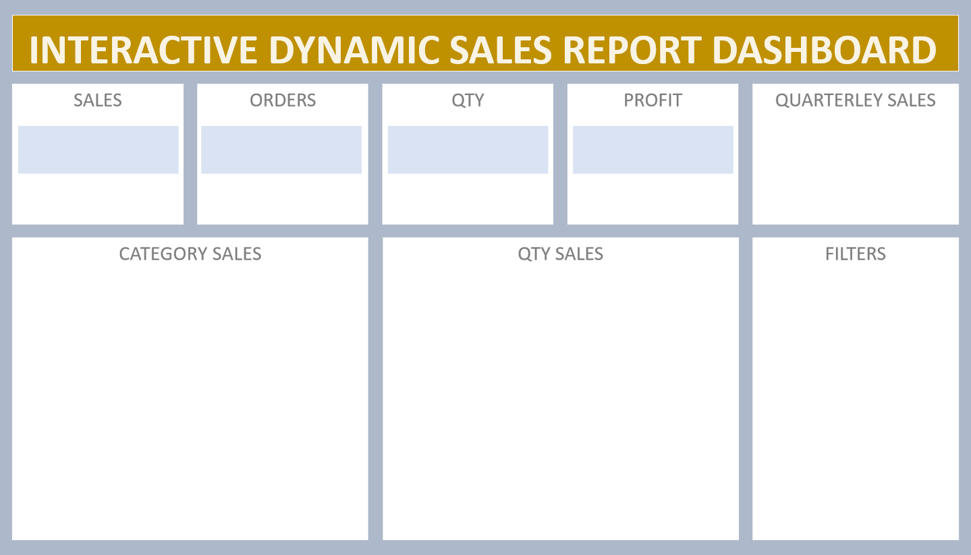

₹ 9,843,042
981
4280
₹ 984,304
₹ 3,173,680

 | Total
Qtr1 | 2414032
Qtr2 | 2368180
Qtr3 | 3095380
Qtr4 | 1965450
₹ 9,843,042
981
4280
₹ 984,304

